Dashboard
 |  | KPI SUMMARY

KPI 1:

 | TOTAL SALES
 | 322,966.75

KPI 2 :

 | TOTAL NUMBER OF TRANSCATION
 | 1000

KPI 3 :

 | AVERAGE CUSTOMER RATING
 | 6.97

 |  | PIVOT TABLES

PIVOT TABLE 1:
 | Total Sales by Product line

 |  |  |  | Food And Beverages create the most revenue.

PIVOT TABLE 2:
 | Total Sales by City

 |  |  |  | Naypyitaw generates the highest revenue.

 |  |  | CHARTS

CHART 1:

Sales by Product line
 |  |  |  |  | Created with the help of pivot table 1

CHART 2 :

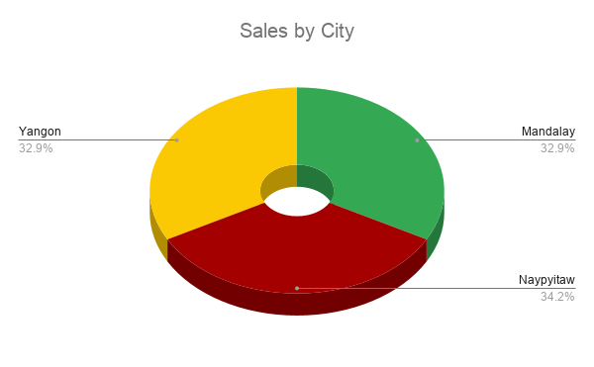

 |  |  |  |  |  | Created with the help of pivot table 2.

 | OTHER PIVOT TABLE FOR BUSINESS ANALYSIS

